Cover
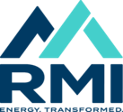 Program Time Report (PLEASE DO NOT DISTRIBUTE)

Climate Aligned Industries - Oct-2024

